About
 | 2017 Calendar
 | Model 1 - Landscape
 | Version 2.6
 | License : Personal Use
 | Copyrights (c) 2016 exceltemplate.net
 | All rights reserved

 | More template information : exceltemplate.net

From this year, I separated paid version of academic and year calendars. I have added more models in year calendars which should give you plenty of options on choosing the most suitable one with your events. All free 2017 calendars cannot be edited. And there are calendar models that are not available for free. You can check list of calendar models and features in table below


No | Calendar | Free | Paid | You can purchase the unlocked version for USD 5.00 through paypal button below
1 | Model | 1, 2, 3, 5, 7, 8, 11, 13, 14 | 1, 2, 3, 4, 5, 6, 7, 8, 9, 10, 11, 12, 13, 14
2 | Number of Color Codes | 6 Codes - Model 1, 2, 3, 8 | 6 Codes - Model 1, 2, 3, 8
 |  | 4 Codes - Model 5, 7, 11 | 8 Codes - Model 4, 5, 6, 7, 9, 10, 11, 12
3 | Starting Day Option | Sunday, Monday (excel model 3, 8, 13, 14) | Sunday, Monday (excel model 3, 8, 13, 14)
4 | Layout Customization | No | Yes
5 | Formula Tweaking | No | Yes
6 | Unprotected Worksheet/Workbook | No | Yes | You will receive 12 Fully Unlocked 2016/2017 Academic Calendars, as listed at the left table
Notes : Model 13 and 14 are monthly calendars

No | 2017 Calendar Model |  | Notes
1 | 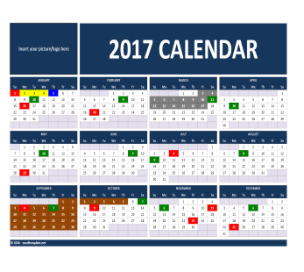 | One page landscape calendar, event description in separate worksheet, fixed and consecutive dates in separate tables
2 | 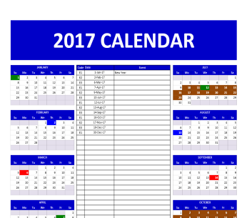 | One page portrait calendar, event description in the middle of calendar within the same page, fixed and consecutive dates in separate tables
3 | 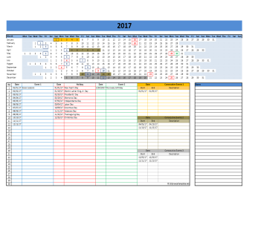 | One page linear calendar, event description at the bottom of calendar within the same page, fixed and consecutive dates in separate tables | Start at Monday only
4 | 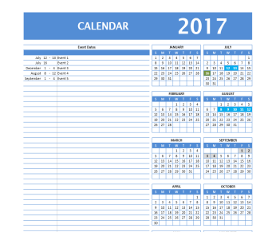 | One page portrait calendar, event description at the left side of calendar within the same page, fixed and consecutive dates within the same table
5 | 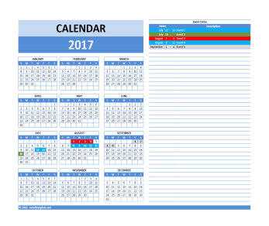 | One page landscape calendar, event description at the right side of calendar within the same page, fixed and consecutive dates within the same table
6 | 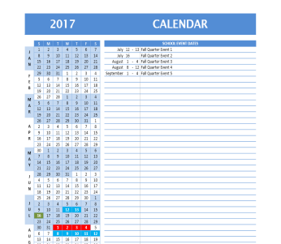 | One page portrait calendar, event description at the right side of calendar within the same page, fixed and consecutive dates within the same table
7 | 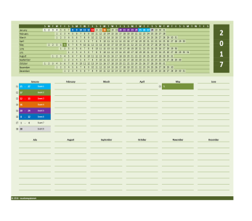 | One page linear calendar, event description at the bottom of calendar within the same page, fixed and consecutive dates within the same table, divided by months
8 | 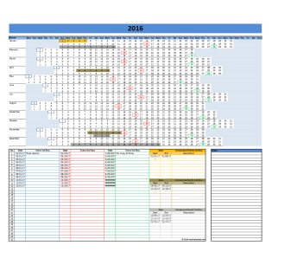 | One page linear calendar, similar months in 3 rows, event description at the bottom of calendar within the same page, fixed and consecutive dates in separate tables | Start at Monday only
9 | 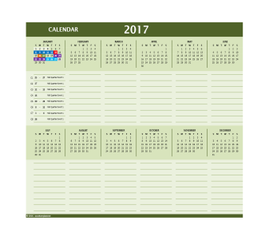 | One page landscape calendar, months are split into 2 parts, event description at the bottom of calendar within the same page, fixed and consecutive dates within the same table, divided by months
10 | 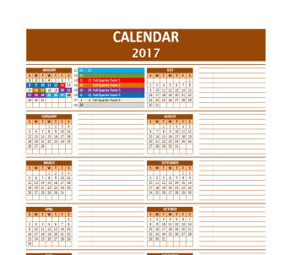 | One page portrait calendar, months are splitted into 2 parts, event description at the right side of each calendar parts within the same page, fixed and consecutive dates within the same table, divided by months
11 | 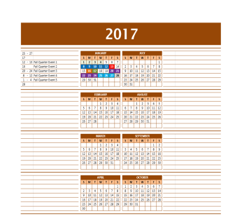 | One page portrait calendar, months are splitted into 2 parts, event description at the left and right side of each calendar parts within the same page, fixed and consecutive dates within the same table
12 | 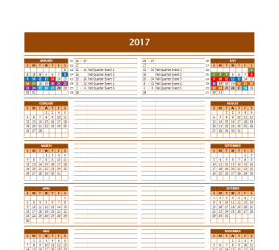 | One page portrait calendar, months are splitted into 2 parts, event description in the middle at the left and right side of each calendar parts within the same page, fixed and consecutive dates within the same table
13 | 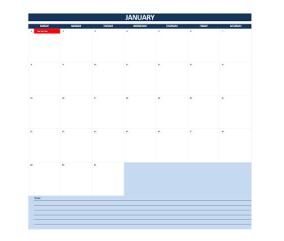 | Monthly calendar, each month in separate worksheets, events are typed in separate worksheet. Respective events will be shown in respective months. | One dummy worksheet remains hidden and protected with password Start at Sunday only
14 |  | Monthly calendar, each month in separate worksheets, events are typed in each month worksheets. Events will be pulled into event table in separate worksheet. | Start at Sunday only

